Sheet1
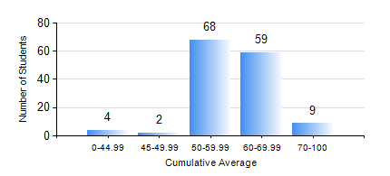
 |  |  | KWAME NKRUMAH UNIVERSITY OF SCIENCE AND TECHNOLOGY, KUMASI Department of Agricultural and Biosystems Engineering

 |  |  | BSC. AGRICULTURAL ENG.

 |  |  | COMPREHENSIVE RECORD OF EXAMINATION RESULTS

 |  |  | RESULTS OF YEAR 2 SECOND SEMESTER, 2019/2020 ACADEMIC YEAR

 | Sn | Course Code |  | Course Name | Credit Hours | Min. Mark | Max. Mark | Avg. Mark | Std. Dev. | No. Passed | No. Trailed | No. (Df) | No. (I) | No. (I*) | No. Tagged(I,I*,Df) | Total
 | 0. |  |  |  |  |  |  | 0 | 0 | 0 | 0 | 0 | 0 | 0 | 0 | 4
 | 1. | EE 252 |  | ELECTRICAL ENGINEERING MACHINES | 3 | 40 | 87 | 72 | 10.84 | 137 | 0 | 0 | 1 | 0 | 1 | 138
 | 2. | ENGL 264 |  | LITERATURE IN ENGLISH II | 1 | 40 | 75 | 60 | 10.2 | 135 | 0 | 0 | 3 | 0 | 3 | 138
 | 3. | GE 286 |  | PRINCIPLES OF SURVEYING | 4 | 53 | 83 | 73 | 5.25 | 137 | 0 | 0 | 1 | 0 | 1 | 138
 | 4. | MATH 252 |  | ANALYSIS IV | 4 | 40 | 94 | 74 | 10.67 | 138 | 0 | 0 | 0 | 0 | 0 | 138
 | 5. | ME 262 |  | THEORY OF MACHINES | 3 | 40 | 75 | 60 | 6.07 | 132 | 0 | 0 | 6 | 0 | 6 | 138
 | 6. | ME 282 |  | MECHANICAL ENGINEERING MATERIALS II | 3 | 40 | 87 | 63 | 9.66 | 134 | 0 | 0 | 4 | 0 | 4 | 138
 | 7. | ME 296 |  | MECHANICAL ENGINEERING LAB. II | 1 | 40 | 94 | 71 | 11.66 | 137 | 0 | 0 | 1 | 0 | 1 | 138

